Instructions
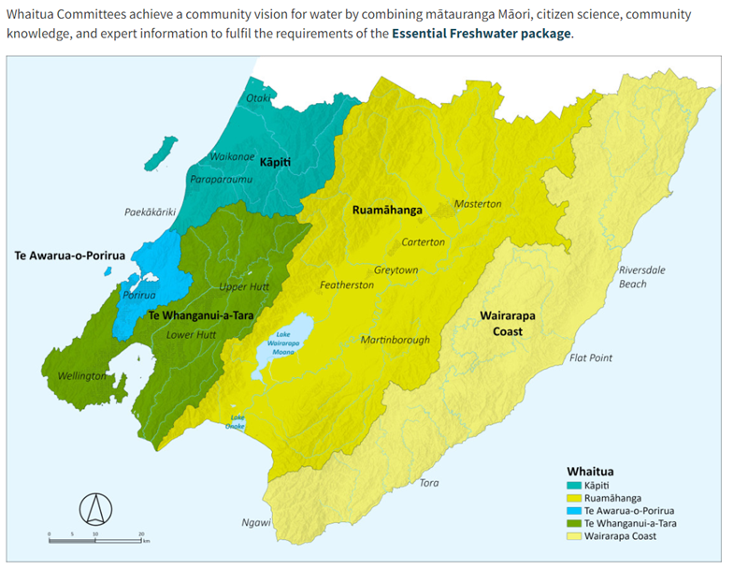
Stocktake Scope
1. The spreadsheet contains questions to enable us compile key information about our monitoring programmes the we regularly undertake. Please fill out the spreadsheet as best you can.
2. The scope of the stocktake is any environmental monitoring programme or related investigation that is being undertaken within the last 12 months.
3. Please seek advice from your team leader or manager if you are unsure. There is a teams channel to post questions EG Knowledge and Insights | Monitoring Review | Microsoft Teams
4. Please do not change the "Lists" tab as this will corrupt everybody's else's work.
5. Please use the dropdown list for the questions where applicable. If there is no category that fits then please state in the spare column named "other" where this has been provided only. This is because we want to be able to analyse the data in a consistent manner.
6. The Whaitua boundaries are in the map to assist with assessing the number of sites in each Whaitua. GIS layer Whaitua - ICM Supercatchments.lyr is available in V:\All_Main_GIS_Layers_SDE\Special Projects.
If you need assistance with GIS analysis then please log a request with the GIS team.
Definitions
Monitoring types
1. Surveillance
State of environment monitoring, including tracking of state and trend analysis for a range of purposes. Typically long-term and broad scale programs that collect data at regular intervals to identify trends or changes​ in the state of the environment
2. Effectiveness and Evaluation ( or Adaptive Management)
Typically designed for short-medium term aimed at testing the effectiveness and efficiency of a management action such as implementation of policy and/or effectives of implementation programmes. Data is collected to identify links and changes in human pressures, consequent stressors and environmental state, for example the impact on urban air quality from the increasing use of electric busses.
3. Compliance
For regulatory purposes including compliance with consents and any other statutory compliance reasons.
4. Targeted Investigation
Typically designed for short-medium term with the objective of filling gaps in knowledge or understanding at a range of spatial scales. e.g., Parkvale catchment land use and water quality project designed to understand sources of nutrients.
Site Coverage
This is subjective but please provide your expert opinion.
1. Poor
Provides some insights to guide decision making but has a high level of uncertainty
2. Adequate
Can be used to inform investment decisions and policy evaluation and effectiveness with a moderate level of uncertainty
3. Good
Can be used to inform policy development and compliance decisions low level of uncertainty
4. Not known

Tables and Graphs
Number of monitoring programs per domain and discipline
Monitoring programs per domain and discipline | Count
Air | 5
Air Quality | 5
Land | 12
Soil Quality | 1
Terrestrial Ecology | 10
Wetland | 1
Freshwater | 21
Coast water quality and ecology | 1
Groundwater Quality | 1
Hydrology | 10
Lake water quality and ecology | 3
River water quality and ecology | 6
Marine | 6
Coast water quality and ecology | 6
Grand Total | 44

Sites in each whaitua by domain | Te Whanganui-a-Tara Whaitua | Kapiti Whaitua | Te Awarua - o - Porirua Whaitua | Ruamāhanga Whaitua | Wairarapa Coast Whaitua
Air | 31 | 2 | 4 | 4 | 0
Land | 403 | 105 | 34 | 192 | 92
Freshwater | 861 | 450 | 165 | 853 | 37
Marine | 19 | 9 | 76 | 0 | 3
Grand Total | 1314 | 566 | 279 | 1049 | 132

Number of monitoring sites for each domain and whaitua
Primary purpose of monitoring program | Count
National Policy Statement (e.g., NPS-FM) | 7
Regional State of State of Environment (i.e. Section 35 RMA) | 7
RMA Regional Natural Resources Plan | 7
Biodiversity Programs (e.g., KNE) | 4
Catchment Planning including Whaitua Development | 4
Flood Risk and Hazard Assessment | 2
Community Knowledge and Citizen Science | 1
Corporate Strategy | 1
Pest Management Programs | 1
Regional Land Transport | 1
Regional Public Transport Plan | 1
Regional State of Environment (i.e. Section 35 RMA) | 1
RMA Regional Policy Statement | 1
Sector Reporting (e.g., LAWA) | 1
Other | 5
Grand Total | 44

End Users | Count
Policy | 21
Environment Restoration | 3
Monitoring type
Catchment | 3
Wellington Water | 2
City/District Council | 1
Community Groups | 1
Corporate | 1
Flood Operations | 1
Metlink | 1
Parks Strategy and Planning | 1
Regulation - Consents and compliance | 1
Other | 8
Grand Total | 44

Spatial context
Monitoring type | Count
Surveillance | 25
Targeted Investigation | 10
Effectiveness and Evalution | 7
Compliance | 1
Other | 1
Grand Total | 44

Spatial context | Count
Regional and Whaitua | 11
Regional only | 12
Whaitua only | 8
Site based | 13
Grand Total | 44

Reporting | Count
Technical report | 23
GW web page | 17
Reporting
Regional Sector Web Reporting - LAWA | 1
Other | 3
Grand Total | 44

FTE | Sum
Air Quality | 3.4
Terrestrial Ecology | 4.26
Wetland | 0.8
River water quality and ecology | 4.165
Lake water quality and ecology | 1.3
Coast water quality and ecology | 2
Groundwater Quality | 1
Hydrology | 15.75
Soil Quality | 0.1
FTE for each monitoring program by discipline
Grand Total | 32.775

Reporting | consultant OPEX | materials OPEX
Air Quality | $17,500 | $85,000
Terrestrial Ecology | $248,000 | $26,000
Wetland | $30,000 | $5,000
River water quality and ecology | $259,000 | $20,823
Lake water quality and ecology | $84,000
Coast water quality and ecology | $588,437 | $11,116
Groundwater Quality | $- | $40,000
Hydrology | $307,129 | $237,120
Soil Quality | $35,000
Grand Total | $1,569,066 | $425,059

Opex consultant and materials spend for monitoring program by discipline
 | consultant OPEX | materials OPEX
Air Quality | $17,500 | $85,000
Terrestrial Ecology | $248,000 | $26,000
Wetland | $30,000 | $5,000
River water quality and ecology | $259,000 | $20,823
Lake water quality and ecology | $84,000
Coast water quality and ecology | $588,437 | $11,116
Groundwater Quality | $- | $40,000
Hydrology | $307,129 | $237,120
Soil Quality | $35,000

